Jenkins download
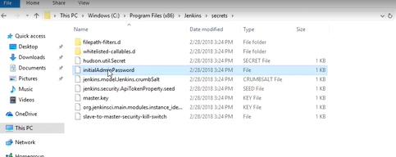
Will download a zip archive ... open it and double click the jenkins file to start install
https://www.jenkins.io/download/

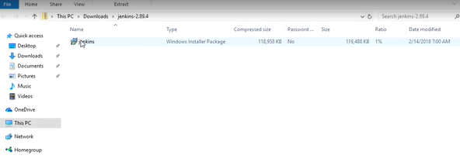

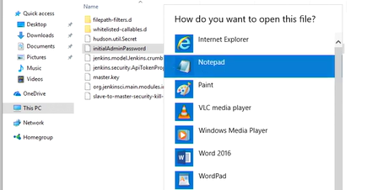

Take all the defaults from the install ... will eventially open up this ... follow that path to the initalAdminPassword

